Sheet1
The Federal Bureau of Investigation is the domestic intelligence and security service of the United States and its principal federal law enforcement agency. An agency of the United

Federal Bureau of Investigation

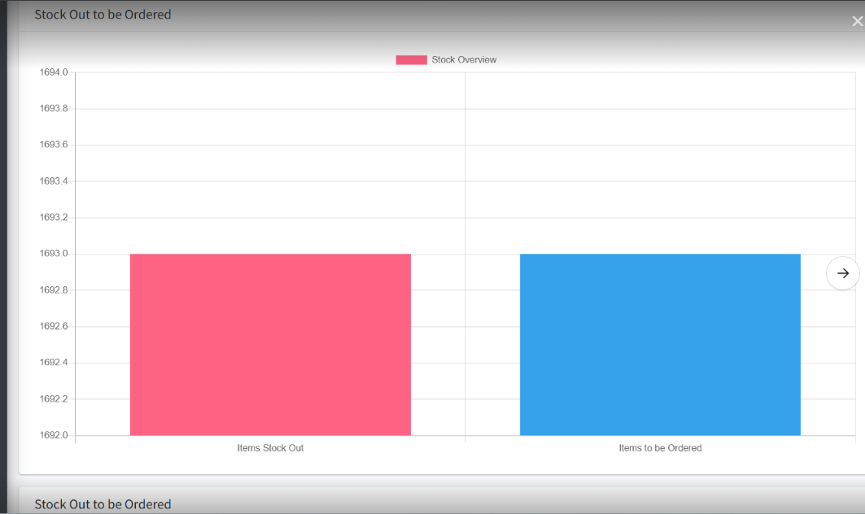

 | d

Sheet2
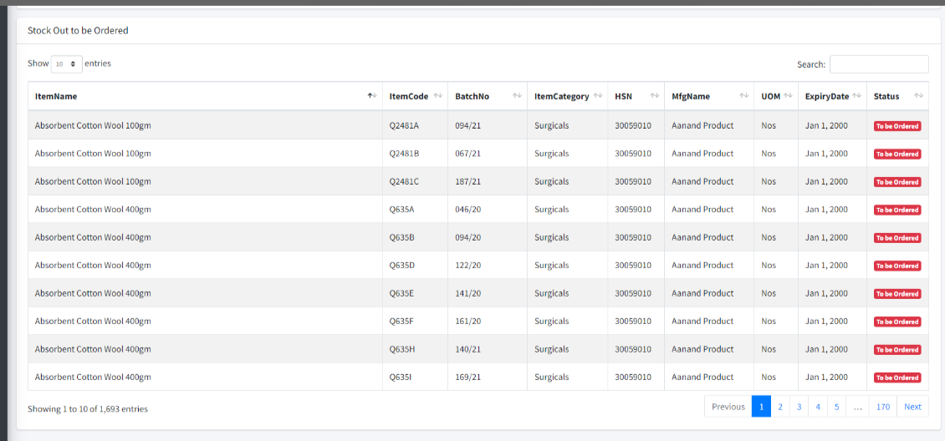

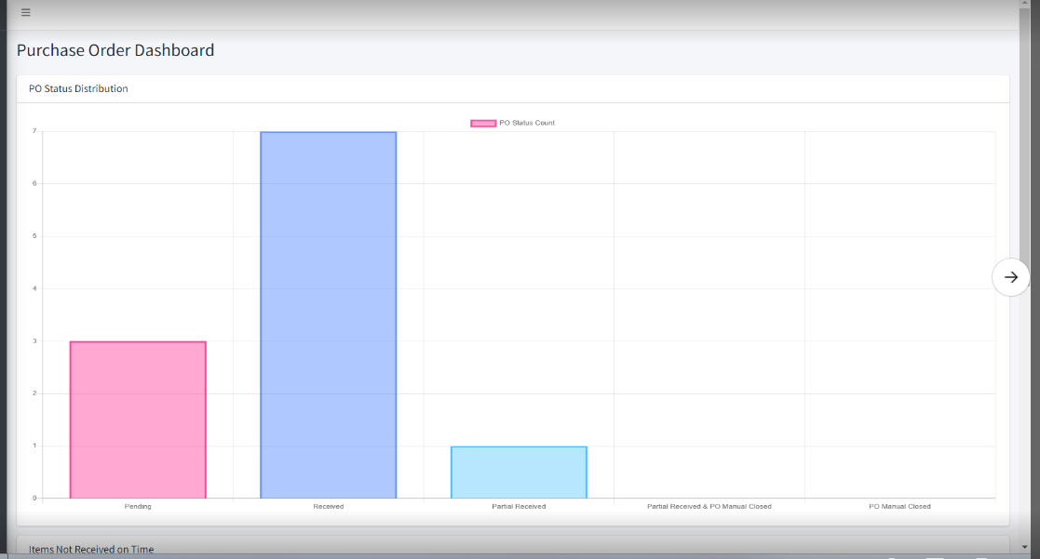

Sheet3
